Alternative Fuel
 | Chapter 2: Alternative fuels: Timing, capacity, emission and cost

Overall |  | Tab. 2.1: Overview of Alternative Fuels of interest

 |  | Fuel type choice | Name |  |  |  | optional data |  |  | Choose all fuels that you want to assess out of the drop down menu.
 |  | Alternative Fuel 1 | From drop down menu |  |  |  | mandatory data |  |  | If your fuel is not listed, adapt the dropdown in worksheet "Fuel Back-up" (hidden).
 |  | Alternative Fuel 2 | From drop down menu |  |  |  |  |  |  | The selection here will fill the cells below as well.
 |  | Alternative Fuel 3 | From drop down menu
 |  | Alternative Fuel 4 | From drop down menu
 |  | Alternative Fuel 5 | From drop down menu
 |  | Alternative Fuel 6 | From drop down menu

 |  | Pre-filled example below

 |  | Fuel type choice | Name
 |  | Alternative Fuel 1 | e-Ammonia
 |  | Alternative Fuel 2 | e-Hydrogen
 |  | Alternative Fuel 3 | e-Methanol
 |  | Alternative Fuel 4 | e-Diesel
 |  | Alternative Fuel 5 | From drop down menu
 |  | Alternative Fuel 6 | From drop down menu

Intra-regional |  | Tab. 2.2: Intra-Regional Alternative Fuel Supply
 |  | Timing and capacity of planned green fuel projects

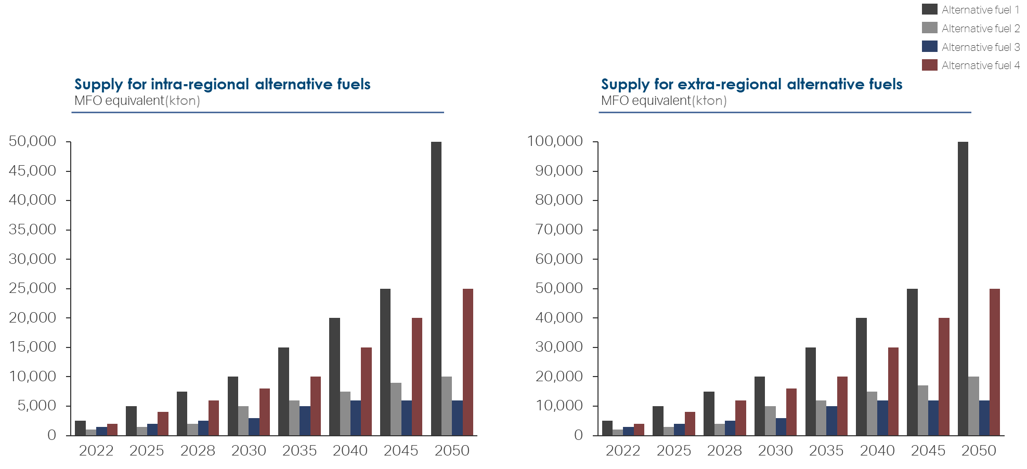
 |  | Fuel type | Unit | Existing | 2025 | 2030 | 2035 | 2040 | 2045 | Identify the alternative fuel production within your defined area of interest in a given timeframe.
 | Alternative Fuel 1 | From drop down menu | in kTon MFO equivalent
 |  |  | in GJ
 | Alternative Fuel 2 | From drop down menu | in kTon MFO equivalent
 |  |  | in GJ
 | Alternative Fuel 3 | From drop down menu | in kTon MFO equivalent
 |  |  | in GJ

 |  | Pre-filled example below

 |  | Fuel type | Unit | Existing | 2025 | 2030 | 2035 | 2040 | 2045
 |  | e-Ammonia | in kTon MFO equivalent | - | 5,088.0 | 10,560.0 | 11,610.0
 |  |  | in GJ
 |  | e-Hydrogen | in kTon MFO equivalent | 1.0 | 23.0 | 23.0 | 133.0
 |  |  | in GJ
 |  | e-Methanol | in kTon MFO equivalent | - | 0.5 | 0.5 | 0.5
 |  |  | in GJ

 |  | Data source | https://energia.gob.cl/sites/default/files/documentos/green_h2_strategy_chile.pdf

 |  | Tab. 2.3: Intra-Regional Alternative Fuel Supply
 |  | Cumulative capacity of planned green fuel projects adjusted for estimated sector competition

 |  | Fuel type | Unit | Existing | 2025 | 2030 | 2035 | 2040 | 2045 | Identify the alternative fuel production within your defined area of interest in a given timeframe.
 | Alternative Fuel 1 | From drop down menu | in kTon MFO equivalent |  |  |  |  |  |  | Take expected competition with other industries into consideration and estimate the amount of alternative fuel, that will be left for maritime purposes.
 |  |  | in GJ
 | Alternative Fuel 2 | From drop down menu | in kTon MFO equivalent
 |  |  | in GJ
 | Alternative Fuel 3 | From drop down menu | in kTon MFO equivalent
 |  |  | in GJ

 |  | Pre-filled example below

 |  | Fuel type | Unit | Existing | 2025 | 2030 | 2035 | 2040 | 2045
 |  | e-Ammonia | in kTon MFO equivalent | - | 3,053.0 | 6,336.0 | 6,966.0
 |  |  | in GJ
 |  | e-Hydrogen | in kTon MFO equivalent | - | - | - | -
 |  |  | in GJ
 |  | e-Methanol | in kTon MFO equivalent | - | - | - | -
 |  |  | in GJ

 |  | Data source | Tab. 2.2 minus assumptions on alt. fuel availability for the green corridor e.g. 60% of alt. fuel 1, and nothing of alt. fuel 2 & 3

 |  | Tab. 2.4: Intra-Regional Fuel Cost of origin
 |  | Cost in USD / GJ and USD / t

 |  | Fuel type | Unit | Existing | 2025 | 2030 | 2035 | 2040 | 2045 | Estimate the expected alternative fuel cost within your defined area of interest in a reasonable timeframe and as good as it is possible from a current perspective.
 | Alternative Fuel 1 | From drop down menu | in USD / GJ |  |  |  |  |  |  | You might use the open version of NavigaTE for initial data.
 |  |  | in USD / t
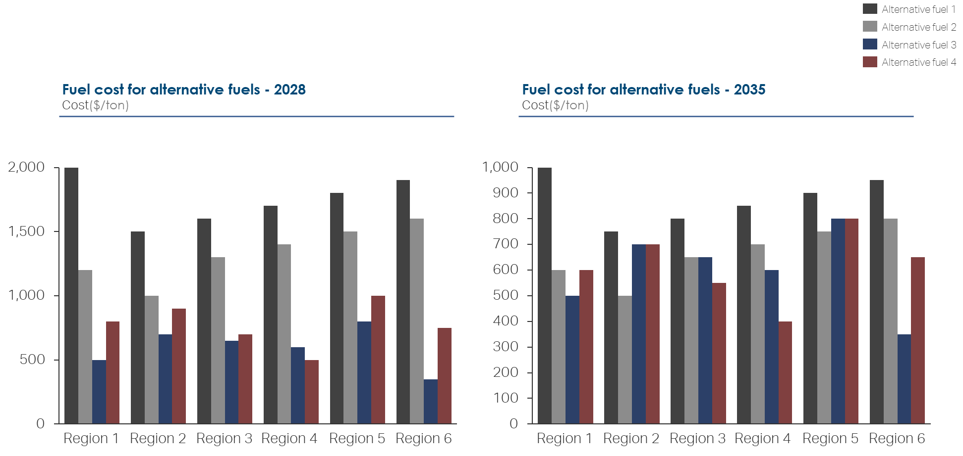
 | Alternative Fuel 2 | From drop down menu | in USD / GJ
 |  |  | in USD / t
 | Alternative Fuel 3 | From drop down menu | in USD / GJ
 |  |  | in USD / t

 |  | Pre-filled example below

 |  | Fuel type | Unit | Existing | 2025 | 2030 | 2035 | 2040 | 2045
 |  | e-Ammonia | in USD / GJ | - | 42.0 | 35.0 | 30.0 | 26.0 | 22.0
 |  |  | in USD / t |  | 1,000.0
 |  | e-Hydrogen | in USD / GJ | - | 55.0 | 49.0 | 45.0 | 42.0 | 38.0
 |  |  | in USD / t
 |  | e-Methanol | in USD / GJ | - | 52.0 | 44.0 | 39.0 | 34.0 | 29.0
 |  |  | in USD / t

 |  | Data source | Northern European Green Corridor Network / open version of NavigaTE (estimated cost for Europe)

 |  | Tab. 2.5: Emission factors for intra-regional alternative fuels

 |  | Fuel type | Well to wake emission in gCO2eq. / MJ |  |  |  |  |  |  | Identify the alternative fuel emission factors within your defined area of interest in a given timeframe.
 | Alternative Fuel 1 | From drop down menu |  |  |  |  |  |  |  | You might use the open version of NavigaTE for initial data.
 | Alternative Fuel 2 | From drop down menu
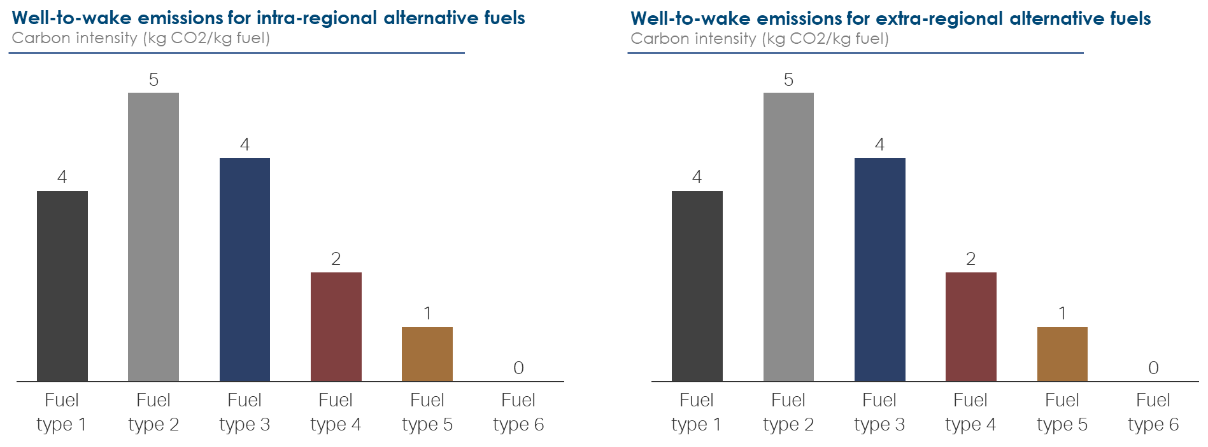
 | Alternative Fuel 3 | From drop down menu
 | Alternative Fuel 4 | From drop down menu
 | Alternative Fuel 5 | From drop down menu
 | Alternative Fuel 6 | From drop down menu

 |  | Pre-filled example below

 |  | Fuel type | Well to wake emission in gCO2eq. / MJ
 |  | e-Ammonia | -
 |  | e-Hydrogen | -
 |  | e-Methanol | -
 |  | e-Diesel | 4.8

 |  | Data source | Open version of NavigaTE (region: Europe)

Extra-regional |  | Tab. 2.6: Extra-Regional Alternative Fuel Supply
 |  | Timing and capacity of planned green fuel projects

 |  | Fuel type | Unit | Existing | 2025 | 2030 | 2035 | 2040 | 2045 | Identify the amount of alternative fuel which can be imported to your defined area of interest in a given timeframe.
 | Alternative Fuel 1 | From drop down menu | in kTon MFO equivalent
 |  |  | in GJ
 | Alternative Fuel 2 | From drop down menu | in kTon MFO equivalent
 |  |  | in GJ
 | Alternative Fuel 3 | From drop down menu | in kTon MFO equivalent
 |  |  | in GJ

 |  | Pre-filled example below

 |  | Fuel type | Unit | Existing | 2025 | 2030 | 2035 | 2040 | 2045
 |  | xxx | in kTon MFO equivalent
 |  |  | in GJ
 |  | xxx | in kTon MFO equivalent
 |  |  | in GJ
 |  | xxx | in kTon MFO equivalent
 |  |  | in GJ

 |  | Data source | Data is not yet available. The toolbox will be updated constantly to ensure the input of latest data.

 |  | Tab. 2.7: Extra-Regional Alternative Fuel Supply
 |  | Cumulative capacity of planned green fuel projects adjusted for estimated sector competition

 |  | Fuel type | Unit | Existing | 2025 | 2030 | 2035 | 2040 | 2045 | Identify the amount of alternative fuel which can be imported to your defined area of interest in a given timeframe.
 | Alternative Fuel 1 | From drop down menu | in kTon MFO equivalent |  |  |  |  |  |  | Take expected competition with other industries into consideration and estimate the amount of alternative fuel, that will be left for maritime purposes.
 |  |  | in GJ
 | Alternative Fuel 2 | From drop down menu | in kTon MFO equivalent
 |  |  | in GJ
 | Alternative Fuel 3 | From drop down menu | in kTon MFO equivalent
 |  |  | in GJ

 |  | Pre-filled example below

 |  | Fuel type | Unit | Existing | 2025 | 2030 | 2035 | 2040 | 2045
 |  | xxx | in kTon MFO equivalent
 |  |  | in GJ
 |  | xxx | in kTon MFO equivalent
 |  |  | in GJ
 |  | xxx | in kTon MFO equivalent
 |  |  | in GJ

 |  | Data source | Data is not yet available. The toolbox will be updated constantly to ensure the input of latest data.

 |  | Tab. 2.8: Extra-Regional Fuel Cost of Origin

 |  | Fuel type | Unit | Existing | 2025 | 2030 | 2035 | 2040 | 2045 | Estimate the expected alternative fuel cost when imported to your defined area of interest in a reasonable timeframe and as good as it is possible from a current perspective.
 | Alternative Fuel 1 | From drop down menu | in USD / GJ |  |  |  |  |  |  | You might use the open version of NavigaTE for initial data.
 |  |  | in USD / t
 | Alternative Fuel 2 | From drop down menu | in USD / GJ
 |  |  | in USD / t
 | Alternative Fuel 3 | From drop down menu | in USD / GJ
 |  |  | in USD / t

 |  | Pre-filled example below

 |  | Fuel type | Unit | Existing | 2025 | 2030 | 2035 | 2040 | 2045
 |  | xxx | in USD / GJ
 |  |  | in USD / t
 |  | xxx | in USD / GJ
 |  |  | in USD / t
 |  | xxx | in USD / GJ
 |  |  | in USD / t

 |  | Data source | Data is not yet available. The toolbox will be updated constantly to ensure the input of latest data.

 |  | Tab. 2.9: Emission factors for extra-regional alternative fuels

 |  | Fuel type | Well to wake emission in gCO2eq. / MJ |  |  |  |  |  |  | Identify the alternative fuel emission factors when imported to your defined area of interest in a given timeframe.
 | Alternative Fuel 1 | From drop down menu |  |  |  |  |  |  |  | You might use the open version of NavigaTE for initial data.
 | Alternative Fuel 2 | From drop down menu
 | Alternative Fuel 3 | From drop down menu
 | Alternative Fuel 4 | From drop down menu
 | Alternative Fuel 5 | From drop down menu
 | Alternative Fuel 6 | From drop down menu

 |  | Pre-filled example below

 |  | Fuel type | Well to wake emission in gCO2eq. / MJ
 |  | xxx
 |  | xxx
 |  | xxx
 |  | xxx
 |  | xxx
 |  | xxx

 |  | Data source | Data is not yet available. The toolbox will be updated constantly to ensure the input of latest data.

Port and Infrastructure
Chapter 3: Port, storage, and bunkering infrastructure

 | Tab. 3.1: Port Specific Restrictions

 | Port [Name] | Ownership [type] | Location [UTM X] | Location [UTM Y] | Water depth [m] | Congestion degree (0: none 10: massive) | Max. Ships per day | Max. Storage capacity | Number of cranes |  |  | optional | Find all objective port related data that might discriminate one port in comparison to others when identifying possible green corridors.
 |  |  |  |  |  |  |  |  |  |  |  | mandatory | Important to know: these are only some of many possible examples – adjust the table with respective criteria / restrictions for your defined area of interest.

 | Pre-filled example below

 | Port [Name] | Ownership [type] | Location [UTM X] | Location [UTM Y] | Water depth [m] | Number of voyages per year | Max. Vessel size [feet] | Cranes lift more than 50t
 | Arica | Public | -18,47 | -70,33 | 4,9 | 300 | > 500 | Yes
 | Iquique | Public | -20,2 | -70,17 | 6,4 | 317 | > 500 | Yes
 | Tocopilla | Public | -22,08 | -70,23 | 11 | 107 | > 500 | Yes
 | Mejillones | Public | -23,1 | -70,47 | 20,1 | 1139 | > 500 | No
 | Puerto Angamos | - | -23,08 | -70,38 | - | - | - | -
 | Antofagasta | Public | -23,65 | -70,42 | 7,1 | 481 | > 500 | Yes

 | Data source | Chilean Green Corridor Network | https://www.searates.com/port/

 | Port specific trade – Table 3.2: Port Activities, Imports

 | Port [Name] | General cargo |  |  |  | Refrigerated cargo |  |  |  | Bulk Cargo |  |  |  | Liquid Cargo |  |  |  | Sum |  |  |  |  | Analyze trade patterns and cargo types in your listed ports of interest, to get an understanding of size and importance of different locations.
 |  | Tonnage per port (in t) | Port share of cargo type (in %) | Value (FOB) per port (in US $) | Port share of cargo type (in %) | Tonnage per port (in t) | Port share of cargo type (in %) | Value (FOB) per port (in US $) | Port share of cargo type (in %) | Tonnage per port (in t) | Port share of cargo type (in %) | Value (FOB) per port (in US $) | Port share of cargo type (in %) | Tonnage per port (in t) | Port share of cargo type (in %) | Value (FOB) per port (in US $) | Port share of cargo type (in %) | Tonnage per port (in t) | Port share of cargo type (in %) | Value (FOB) per port (in US $) | Port share of cargo type (in %) | Growth (in %) | Focus on import to your defined area of interest.
 |  |  |  |  |  |  |  |  |  |  |  |  |  |  |  |  |  | - | 0% | - | 0%
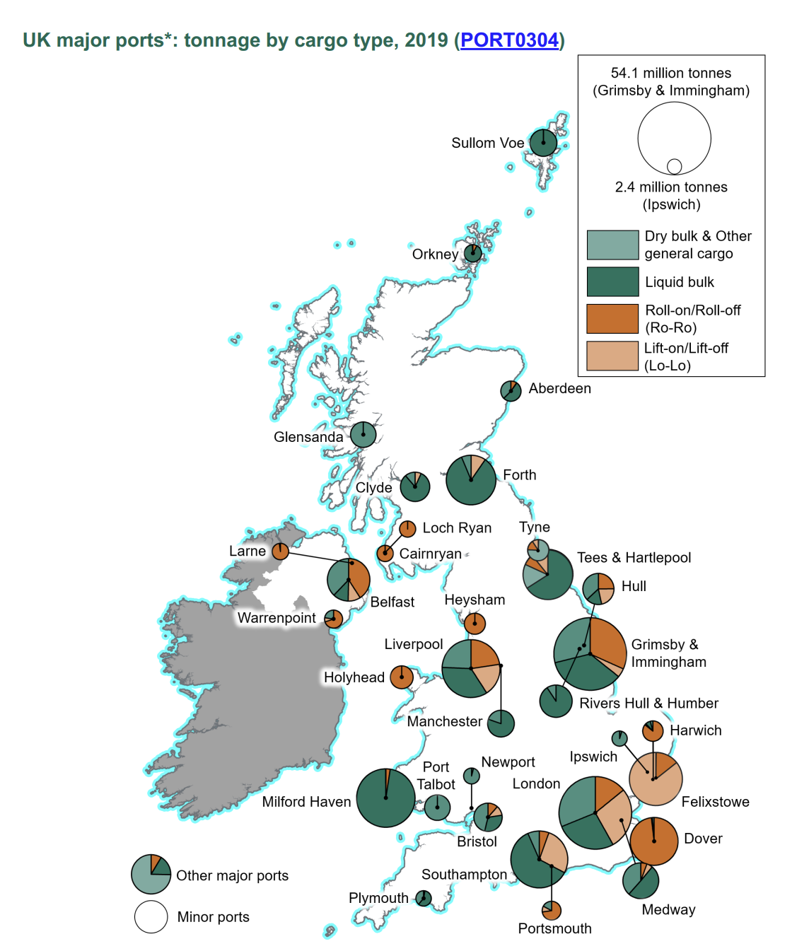
 |  |  |  |  |  |  |  |  |  |  |  |  |  |  |  |  |  | - | 0% | - | 0%
 |  |  |  |  |  |  |  |  |  |  |  |  |  |  |  |  |  | - | 0% | - | 0%
 |  |  |  |  |  |  |  |  |  |  |  |  |  |  |  |  |  | - | 0% | - | 0%
 |  |  |  |  |  |  |  |  |  |  |  |  |  |  |  |  |  | - | 0% | - | 0%
 | Total | - | - | - | - | - | - | - | - | - | - | - | - | - | - | - | - | - | 0% | - | 0%

 | Pre-filled example below

 | Port [Name] | General cargo |  |  |  | Refrigerated cargo |  |  |  | Bulk Cargo |  |  |  | Liquid Cargo |  |  |  | Sum
 |  | Tonnage per port (in t) | Port share of cargo type (in %) | Value (FOB) per port (in US $) | Port share of cargo type (in %) | Tonnage per port (in t) | Port share of cargo type (in %) | Value (FOB) per port (in US $) | Port share of cargo type (in %) | Tonnage per port (in t) | Port share of cargo type (in %) | Value (FOB) per port (in US $) | Port share of cargo type (in %) | Tonnage per port (in t) | Port share of cargo type (in %) | Value (FOB) per port (in US $) | Port share of cargo type (in %) | Tonnage per port (in t) | Port share of cargo type (in %) | Value (FOB) per port (in US $) | Port share of cargo type (in %) | Growth (in %)
 | Arica | 18.763 | 2% | 32,808 | 1% |  |  |  |  |  |  |  |  |  |  |  |  | 18.763 | 2% | 32,808 | 1%
 | Iquique | 114.021 | 11% | 491,397 | 13% |  |  |  |  |  |  |  |  |  |  |  |  | 114.021 | 11% | 491,397 | 13%
 | Tocopilla | - | 0% | - | 0% |  |  |  |  |  |  |  |  |  |  |  |  | - | 0% | - | 0%
 | Mejillones | 1.509 | 0% | 1,328 | 0% |  |  |  |  |  |  |  |  |  |  |  |  | 1.509 | 0% | 1,328 | 0%
 | Puerto Angamos | 527.307 | 52% | 2,494,670 | 67% |  |  |  |  |  |  |  |  |  |  |  |  | 527.307 | 52% | 2,494,670 | 67%
 | Antofagasta | 343.570 | 34% | 597,132 | 16% |  |  |  |  |  |  |  |  |  |  |  |  | 343.570 | 34% | 597,132 | 16%
 | Chanaral / Barquito | 1.562 | 0% | 5,462 | 0% |  |  |  |  |  |  |  |  |  |  |  |  | 1.562 | 0% | 5,462 | 0%
 | Caldera / Calderilla | - | 0% | - | 0% |  |  |  |  |  |  |  |  |  |  |  |  | - | 0% | - | 0%
 | Huasco / Guacolda | 16.377 | 2% | 79,166 | 2% |  |  |  |  |  |  |  |  |  |  |  |  | 16.377 | 2% | 79,166 | 2%
 | Total | 1,023.109 | 100% | 3,701,963 | 100% |  |  |  |  |  |  |  |  |  |  |  |  | 1,023.109 | 100% | 3,701,963 | 100%

 | Data source | Chilean Green Corridor Network | https://www.directemar.cl/directemar/site/edic/base/port/boletin_maritimo.html

 | Port specific trade – Table 3.3: Port Activities, Exports

 | Port [Name] | General cargo |  |  |  | Refrigerated cargo |  |  |  | Bulk Cargo |  |  |  | Liquid Cargo |  |  |  | Sum |  |  |  |  | Analyze trade patterns and cargo types in your listed ports of interest, to get an understanding of size and importance of different locations.
 |  | Tonnage per port (in t) | Port share of cargo type (in %) | Value (FOB) per port (in US $) | Port share of cargo type (in %) | Tonnage per port (in t) | Port share of cargo type (in %) | Value (FOB) per port (in US $) | Port share of cargo type (in %) | Tonnage per port (in t) | Port share of cargo type (in %) | Value (FOB) per port (in US $) | Port share of cargo type (in %) | Tonnage per port (in t) | Port share of cargo type (in %) | Value (FOB) per port (in US $) | Port share of cargo type (in %) | Tonnage per port (in t) | Port share of cargo type (in %) | Value (FOB) per port (in US $) | Port share of cargo type (in %) | Growth (in %) | Focus on export out of your defined area of interest.
 |  |  |  |  |  |  |  |  |  |  |  |  |  |  |  |  |  | - | 0% | - | 0%
 |  |  |  |  |  |  |  |  |  |  |  |  |  |  |  |  |  | - | 0% | - | 0%
 |  |  |  |  |  |  |  |  |  |  |  |  |  |  |  |  |  | - | 0% | - | 0%
 |  |  |  |  |  |  |  |  |  |  |  |  |  |  |  |  |  | - | 0% | - | 0%
 |  |  |  |  |  |  |  |  |  |  |  |  |  |  |  |  |  | - | 0% | - | 0%
 | Total | - | - | - | - | - | - | - | - | - | - | - | - | - | - | - | - | - | 0% | - | 0%

 | Pre-filled example below

 | Port [Name] | General cargo |  |  |  | Refrigerated cargo |  |  |  | Bulk Cargo |  |  |  | Liquid Cargo |  |  |  | Sum
 |  | Tonnage per port (in t) | Port share of cargo type (in %) | Value (FOB) per port (in US $) | Port share of cargo type (in %) | Tonnage per port (in t) | Port share of cargo type (in %) | Value (FOB) per port (in US $) | Port share of cargo type (in %) | Tonnage per port (in t) | Port share of cargo type (in %) | Value (FOB) per port (in US $) | Port share of cargo type (in %) | Tonnage per port (in t) | Port share of cargo type (in %) | Value (FOB) per port (in US $) | Port share of cargo type (in %) | Tonnage per port (in t) | Port share of cargo type (in %) | Value (FOB) per port (in US $) | Port share of cargo type (in %) | Growth (in %)
 | Arica | 159,069 | 6% | 262,787 | 1% |  |  |  |  |  |  |  |  |  |  |  |  | 159,069.000 | 6% | 262,787 | 1%
 | Iquique | 262,567 | 10% | 1,169,143 | 6% |  |  |  |  |  |  |  |  |  |  |  |  | 262,567.000 | 10% | 1,169,143 | 6%
 | Patillos | 2 | 0% | 12 | 0% |  |  |  |  |  |  |  |  |  |  |  |  | 2.000 | 0% | 12 | 0%
 | Punta Patache | - | 0% | - | 0% |  |  |  |  |  |  |  |  |  |  |  |  | - | 0% | - | 0%
 | Tocopilla | 87,883 | 3% | 72,283 | 0% |  |  |  |  |  |  |  |  |  |  |  |  | 87,883.000 | 3% | 72,283 | 0%
 | Michilla | - | 0% | - | 0% |  |  |  |  |  |  |  |  |  |  |  |  | - | 0% | - | 0%
 | Mejillones | 240 | 0% | 964 | 0% |  |  |  |  |  |  |  |  |  |  |  |  | 240.000 | 0% | 964 | 0%
 | Puerto Angamos | 1,658,203 | 62% | 13,716,486 | 72% |  |  |  |  |  |  |  |  |  |  |  |  | 1,658,203.000 | 62% | 13,716,486 | 72%
 | Antofagasta | 486,923 | 18% | 3,895,565 | 20% |  |  |  |  |  |  |  |  |  |  |  |  | 486,923.000 | 18% | 3,895,565 | 20%
 | Total | 2,654,887 | 100% | 19,117,240 | 100% |  |  |  |  |  |  |  |  |  |  |  |  | 2,654,887.000 | 100% | 19,117,240 | 100%

 | Data source | Chilean Green Corridor Network | https://www.directemar.cl/directemar/site/edic/base/port/boletin_maritimo.html

 | Current infrastructure – Table 3.4: Overview of the bunkering and infrastructure options available per port

 | Port [Name] | Operator [Name] | Fuel type [yes; no] |  | Infrastructure in place [yes; no] |  |  | Current development stage (1: pilot phase, 5: demonstration phase, 10: industrial phase) |  |  |  | Map the current ability to handle ammonia, methanol and other relevant chemicals to get an overview whether a green corridor with specific alt. fuel is already possible or favours one port against another.
 |  |  | Alternative Fuel 1 | Alternative Fuel 2 | Truck | Barge | Pipe |  |  |  |  | The rating of the development stage is subjective and depends on the person doing the green corridor assessment.

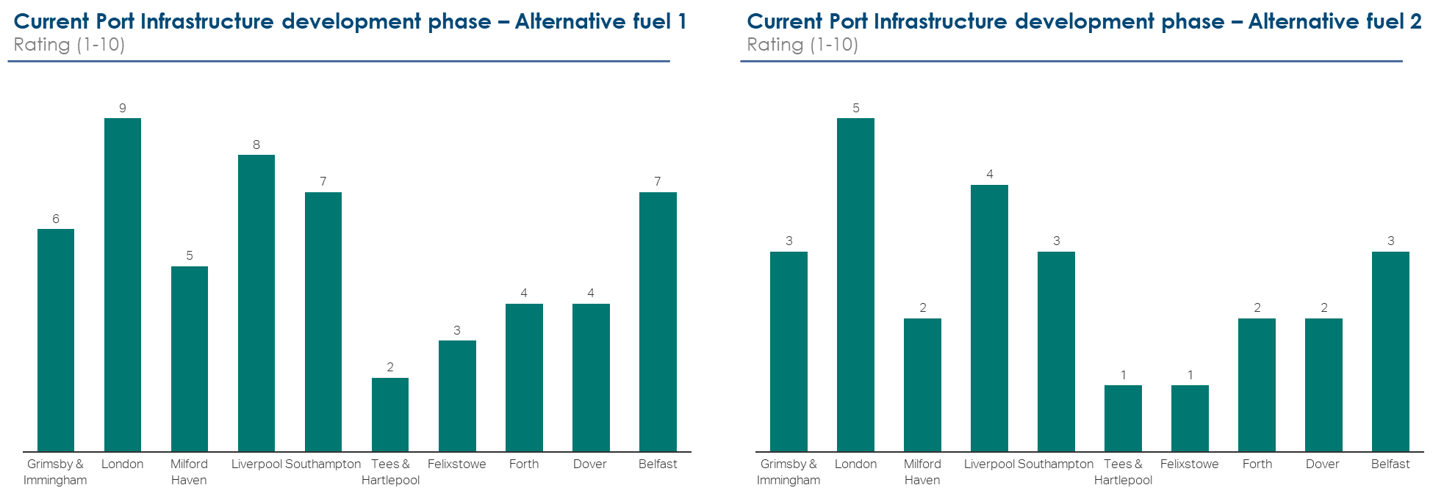

 | Pre-filled example below

 | Port [Name] | Operator [Name] | Fuel type [yes; no] |  | Infrastructure in place [yes; no] |  |  | Current development stage (1: pilot phase, 5: demonstration phase, 10: industrial phase)
 |  |  | e-Ammonia | e-Methanol | Truck | Barge | Pipe
 | Arica | COPEC Marine Fuels, Agunsa | no | no | yes | no | no | 0
 | Iquique | COPEC Marine Fuels, Clipper Oil Marine Fuels | no | no | yes | no | no | 0
 | Mejillones | COPEC Marine Fuels | yes | no | no | yes | yes | 2
 | Angamos | COPEC Marine Fuels, Agunsa | no | no | yes | no | no | 0

 | Data source | Chilean Green Corridor Network | https://www.dnv.com/services/alternative-fuels-insight-128171

 | Future infrastructure – Table 3.5: Port Readiness Level - Bunkering
 | Future available bunkering and infrastructure options for ports of interest in region

 | Alternative Fuel 1

 | Port and Fuel type | 2022 | 2025 | 2030 | 2040 | 2050 |  | Make a Port Readiness Level Assessment for both Bunkering and Port Call to estimate a time frame on when a green corridor with specific alt. fuel might be possible.
 | Port 1 - Alternative Fuel 1 |  |  |  |  |  |  | Reference source available from beginning of 2023 (search for "Port Readiness Level").
 | Port 2 - Alternative Fuel 1
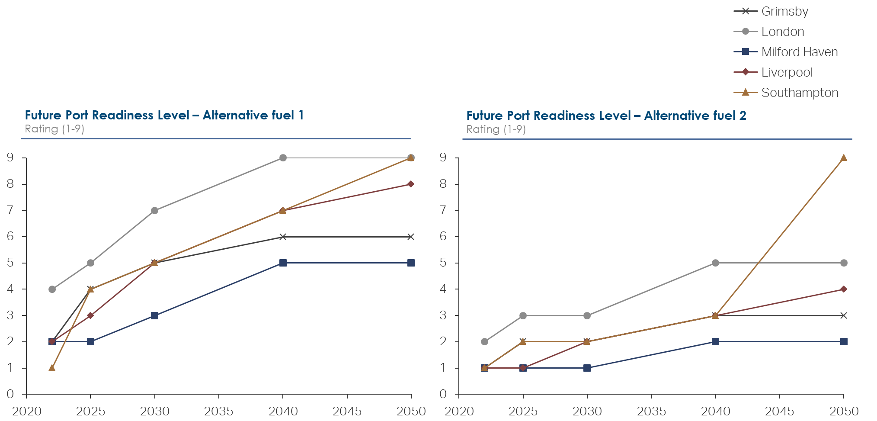
 | Port 3 - Alternative Fuel 1
 | Port 4 - Alternative Fuel 1
 | Port 5 - Alternative Fuel 1

 | Pre-filled example below - one table per alternative fuel

 | Ammonia

 | Port and Fuel type | 2022 | 2025 | 2030 | 2040 | 2050
 | Port of Rotterdam - Ammonia | 4 | 7 | 9
 | Port of Hamburg - Ammonia | 2 | 5 | 7
 | Port of Roenne - Ammonia | 2 | 5 | 7
 | Port of Tallinn - Ammonia | 2 | 3 | 3
 | Port of Gdyna - Ammonia | 3 | 5 | 7

 | Data source | Northern European Green Corridor Network (not specified if call or bunkering) |  | Self-assessment based on the World Ports Climate Action Program Port Readiness Level Tool

 | Methanol

 | Port and Fuel type | 2022 | 2025 | 2030 | 2040 | 2050
 | Port of Rotterdam - Methanol | 7 | 9 | 9
 | Port of Hamburg - Methanol | 2 | 5 | 7
 | Port of Roenne - Methanol | 2 | 5 | 7
 | Port of Tallinn - Methanol | 2 | 5 | 9
 | Port of Gdyna - Methanol | 3 | 5 | 7

 | Data source | Northern European Green Corridor Network (not specified if call or bunkering) |  | Self-assessment based on the World Ports Climate Action Program Port Readiness Level Tool

 | Future infrastructure – Table 3.6: Port Readiness Level - Call
 | Future available port calls possible with alternative fuels

 | Alternative Fuel 1

 | Port and Fuel type | 2022 | 2025 | 2030 | 2040 | 2050
 | Port 1 - Alternative Fuel 1
 | Port 2 - Alternative Fuel 1
 | Port 3 - Alternative Fuel 1
 | Port 4 - Alternative Fuel 1
 | Port 5 - Alternative Fuel 1

 | Pre-filled example see Table 3.5

Vessels and Trade
Chapter 4: Trade routes, vessel, cargo and services

 | Vessel analysis – Table 4.1: Emissions and fuel consumption
 | Summary of fuel consumption and CO2 emissions (TtW) for defined region fleet during a defined time phase

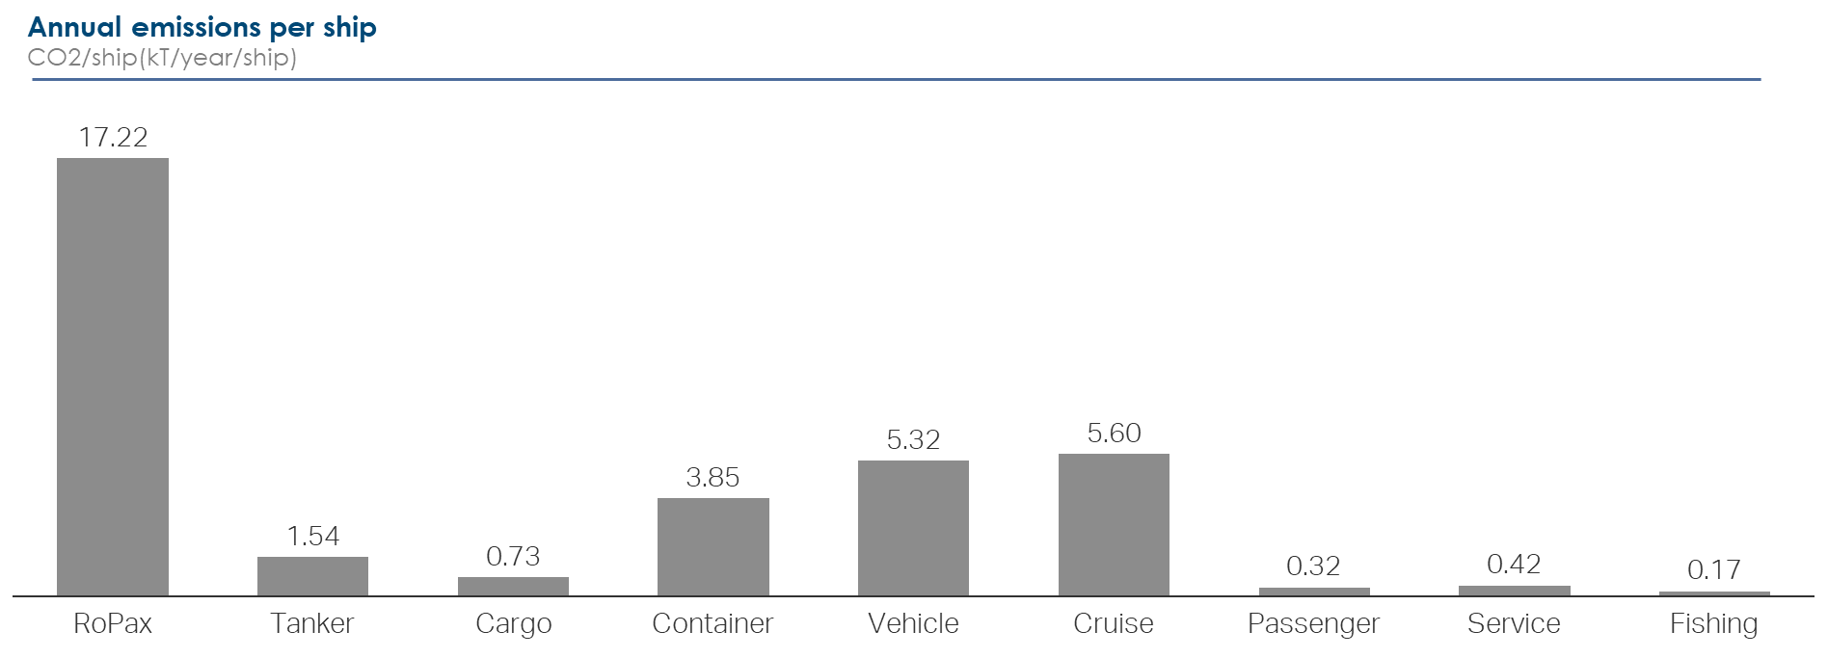
 |  | Vessel segment 1 | Vessel segment 2 | Vessel segment 3 | Vessel segment 4 | Vessel segment 5 | Vessel segment 6 | Vessel segment 7 | Vessel segment 8 | Vessel segment 9 | Total | optional | Make overview of vessel-segments operating in region of interest, including number of vessels, voyages, fuel consumption and CO2 emission in a reasonable time frame.
 | Ships (#) |  |  |  |  |  |  |  |  |  | - | mandatory
 | Voyages (#) |  |  |  |  |  |  |  |  |  | -
 | Emission factor (#) | #DIV/0! | #DIV/0! | #DIV/0! | #DIV/0! | #DIV/0! | #DIV/0! | #DIV/0! | #DIV/0! | #DIV/0! | #DIV/0!
 | Fuel Main (kT/yr) |  |  |  |  |  |  |  |  |  | -
 | Fuel Aux (kT/yr) |  |  |  |  |  |  |  |  |  | -
 | Total fuel (kT/yr) | - | - | - | - | - | - | - | - | - | -
 | CO2 emissions (kT/yr) |  |  |  |  |  |  |  |  |  | -

 | Pre-filled example below

 |  | RoPax | Tanker | Cargo | Container | Vehicle | Cruise | Passenger | Service | Fishing | Total
 | Ships (#) | 218 | 1,911 | 4,011 | 607 | 259 | 94 | 470 | 401 | 801 | 8,772
 | Voyages (#) |  |  |  |  |  |  |  |  |  | -
 | Emission factor (#) | 17.2 | 1.5 | 0.7 | 3.9 | 5.3 | 5.6 | 0.3 | 0.4 | 0.2 | 35.2
 | Fuel Main (kT/yr) | 1,053 | 628 | 706 | 495 | 391 | 138 | 29 | 23 | 22 | 3,485
 | Fuel Aux (kT/yr) | 182 | 341 | 261 | 273 | 63 | 35 | 21 | 33 | 22 | 1,231
 | Total fuel (kT/yr) | 1,235 | 969 | 967 | 768 | 454 | 173 | 50 | 56 | 44 | 4,716
 | CO2 emissions (kT/yr) | 3,754 | 2,941 | 2,941 | 2,337 | 1,379 | 526 | 150 | 170 | 134 | 14,332

 | Data source | Northern European Green Corridor Network | https://portal.helcom.fi/meetings/MARITIME%2020-2020-787/MeetingDocuments/5-2%20Emissions%20from%20Baltic%20Sea%20shipping%20in%202006%20-%202019.pdf

 | Vessel specific trade – Table 4.2: Trade, Imports

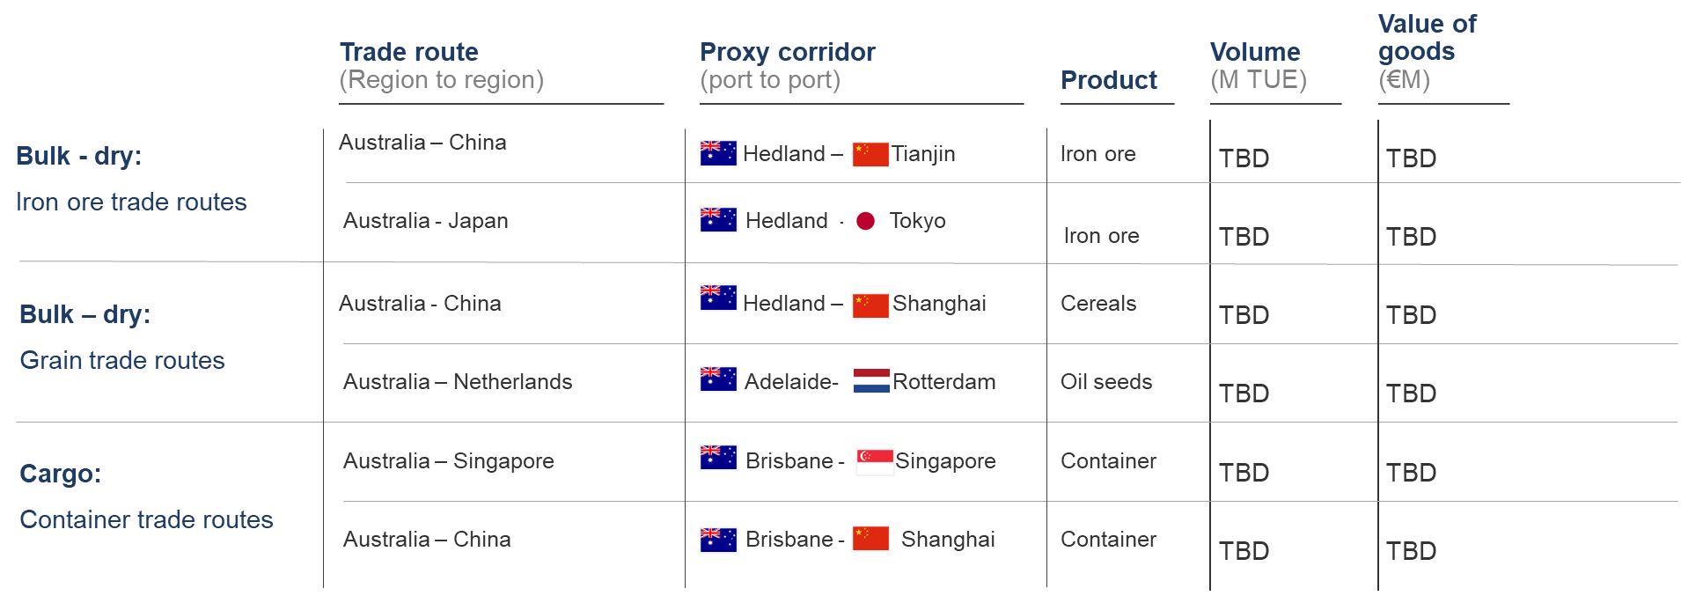
 | Product | Volume (in t) | Share of total tonnage (in %) | Value (FOB in US $) | Share of total value (in %) | FOB / tonnage | Where from (main country) | Vessel segment | Growth |  | Make overview of export and import as per volume and value, as well as to which vessel segments the cargo is being handled on to get an understanding of vessel related trade patterns.
 | Product 1 |  | #DIV/0! |  | #DIV/0! | #DIV/0!
 | Product 2 |  | #DIV/0! |  | #DIV/0! | #DIV/0!
 |  |  | #DIV/0! |  | #DIV/0! | #DIV/0!
 |  |  | #DIV/0! |  | #DIV/0! | #DIV/0!
 |  |  | #DIV/0! |  | #DIV/0! | #DIV/0!
 |  |  | #DIV/0! |  | #DIV/0! | #DIV/0!
 |  |  | #DIV/0! |  | #DIV/0! | #DIV/0!
 | Total | - | #DIV/0! | - | #DIV/0! | #DIV/0! |  |  | -

 | Pre-filled example below

 | Product | Volume (in t) | Share of total tonnage (in %) | Value (FOB in US $) | Share of total value (in %) | FOB / tonnage | Where from (main country) | Vessel segment | Growth
 | Bituminous coal, for thermal use, but not agglomerated | 10,024,538 | 30% | 441,372,000 | 7% | 44 | Colombia
 | Distillate fuel oils (diesel oil, diesel oil) | 5,294,885 | 16% | 1,995,570,000 | 32% | 377 | United States
 | Crude petroleum or bituminous mineral oils, with API grades greater than or equal to 25 | 5,057,583 | 15% | 1,419,210,000 | 23% | 281 | Brazil
 | Other corn for consumption | 2,816,544 | 8% | 468,822,000 | 8% | 166 | Argentina
 | Liquefied natural gas | 2,654,728 | 8% | 567,530,000 | 9% | 214 | United States
 | Sulfuric acid; oleum | 2,450,822 | 7% | 88,126,000 | 1% | 36 | Peru
 | Crude petroleum or bituminous mineral oils, with API degrees less than 25 | 2,388,183 | 7% | 602,938,000 | 10% | 252 | Brazil
 | Unpulverized cements ("clinker"), whether or not colored | 1,554,554 | 5% | 58,474,000 | 1% | 38 | South Korea
 | Liquefied Propane Gas | 979,728 | 3% | 270,212,000 | 4% | 276 | United States
 | Cake flours from the extraction of soybean oil (soy | 722,213 | 2% | 250,621,000 | 4% | 347 | Paraguay
 | Total | 33,943,778 | 100% | 6,162,875,000 | 100% | 2,031 |  |  | -

 | Data source | Chilean Green Corridor Network | https://www.directemar.cl/directemar/estadisticas-maritimas/boletin-estadistico-maritimo/historico/boletin-estadistico-maritimo-edicion-2021

 | Vessel specific trade – Table 4.3: Trade, Exports

 | Product | Volume (in t) | Share of total tonnage (in %) | Value (FOB in US $) | Share of total value (%) | FOB / tonnage | Where from (main country) | Vessel segment | Cargo segment |  | Make overview of export and import as per volume and value, as well as to which vessel segments the cargo is being handled on to get an understanding of vessel related trade patterns.
 | Product 1 |  | #DIV/0! |  | #DIV/0! | #DIV/0!
 | Product 2 |  | #DIV/0! |  | #DIV/0! | #DIV/0!
 |  |  | #DIV/0! |  | #DIV/0! | #DIV/0!
 |  |  | #DIV/0! |  | #DIV/0! | #DIV/0!
 |  |  | #DIV/0! |  | #DIV/0! | #DIV/0!
 |  |  | #DIV/0! |  | #DIV/0! | #DIV/0!
 |  |  | #DIV/0! |  | #DIV/0! | #DIV/0!
 | Total | - | #DIV/0! | - | #DIV/0! | #DIV/0! |  |  | -

 | Pre-filled example below

 | Product | Volume (in t) | Share of total tonnage (in %) | Value (FOB in US $) | Share of total value (in %) | FOB / tonnage | Where from (main country) | Vessel segment | Growth
 | Iron ores and their concentrates | 13,514,840 | 29% | 11,957,400 | 3% | 1 | China
 | Copper Ore | 12,771,227 | 27% | 174,757,910 | 50% | 14 | China
 | Rock salt, saline salt, sea salt | 6,081,021 | 13% | 1,203,360 | 0% | 0 | United States
 | Wood in chips or particles, of eucalyptus nitens | 2,895,589 | 6% | 1,823,970 | 1% | 1 | Mexico
 | Cathodes and cathode sections of refined copper | 2,255,105 | 5% | 134,951,030 | 38% | 60 | China
 | Bleached cellulose, eucalyptus | 2,252,336 | 5% | 9,378,380 | 3% | 4 | United States
 | Iron ore pellets and concentrates | 2,014,959 | 4% | 2,192,670 | 1% | 1 | China
 | Wood in chips or particles, of eucalyptus globulus | 1,796,330 | 4% | 1,549,320 | 0% | 1 | United States
 | Semi-bleached or bleached coniferous wood chemical pulp | 1,661,935 | 4% | 8,599,230 | 2% | 5 | United States
 | Simply sawn lumber of distinguished pine | 1,429,587 | 3% | 4,532,500 | 1% | 3 | China
 | Total | 46,672,929 | 100% | 350,945,770 | 100% | 90 |  |  | -

 | Data source | Chilean Green Corridor Network | https://www.directemar.cl/directemar/estadisticas-maritimas/boletin-estadistico-maritimo/historico/boletin-estadistico-maritimo-edicion-2021

 | Vessel specific service – Table 4.4 : Domestic Services

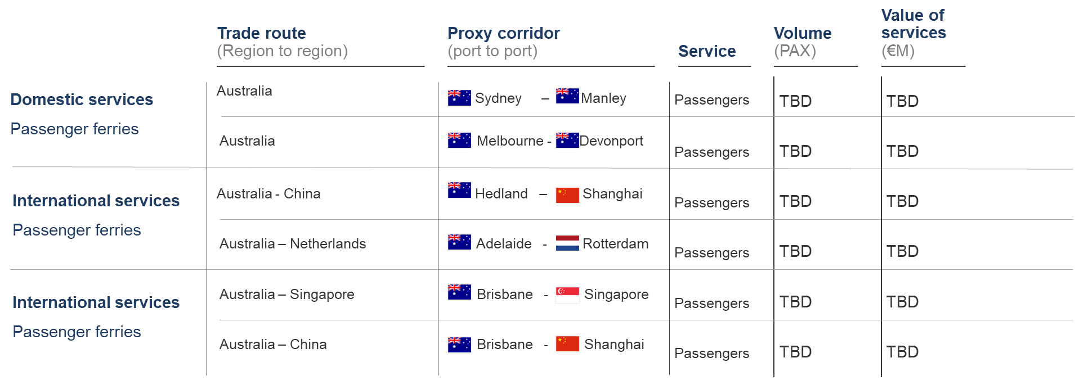
 | Service | Number of passengers / cars / units | Share of total number (in %) | Where to (main country) | Vessel segment | Growth |  | Make overview of international and domestic service handling, as well as to which vessel segments the service is being handled on.
 | Service 1 |  | #DIV/0!
 | Service 2 |  | #DIV/0!
 | Service 3 |  | #DIV/0!
 |  |  | #DIV/0!
 |  |  | #DIV/0!
 |  |  | #DIV/0!
 |  |  | #DIV/0!
 | Total | - | #DIV/0! |  |  | -

 | Pre-filled example below

 | Service | Number of passengers / cars / units | Share of total number (in %) | Where to (main country) | Vessel segment | Growth
 | Ferry transport people | 5,422,000 | 57% | Denmark | Ferries
 | Ferry transport cars | 4,130,633 | 43% | Denmark | Ferries
 | Total | 9,552,633 | 100% |  |  | -

 | Data source | Danmarks Statistik 2021 | https://www.dst.dk/da/Statistik/emner/transport/persontransport/passagerer-og-transportruter

 | Vessel specific service – Table 4.5 : International Services

 | Service | Number of passengers / cars / units | Share of total number (in %) | Where to (main country) | Vessel segment | Growth
 | Service 1 |  | #DIV/0!
 | Service 2 |  | #DIV/0!
 | Service 3 |  | #DIV/0!
 |  |  | #DIV/0!
 |  |  | #DIV/0!
 |  |  | #DIV/0!
 |  |  | #DIV/0!
 | Total | - | #DIV/0! |  |  | -

 | Pre-filled example below

 | Service | Number of passengers / cars / units | Share of total number (in %) | Where to (main country) | Vessel segment | Growth
 | Ferry transport people | 11,144,000 | 81% | Sweden | Ferries
 | Ferry transport private cars | 2,628,936 | 19% | Sweden | Ferries
 | Ferry transport buses | 16,903 | 0% | Germany | Ferries
 | Total | 13,789,839 | 100% |  |  | -

 | Data source | Danmarks Statistik 2021 | https://www.statbank.dk/statbank5a/SelectVarVal/Define.asp?MainTable=SKIB34&PLanguage=1&PXSId=0&wsid=cftree

 | Green premium – Table 4.6: Incremental cost of green for a unit of cargo
 | Additional cost of transport in green corridors

 | Product / Service | Transport Cost LSFO (in US $) | Transport Cost alternative fuel 1 (in US $) | Incremental cost of green in % | Transport Cost alternative fuel 2 in (US $) | Incremental cost of green in % | Transport Cost alternative fuel 3 in (US $) | Incremental cost of green in % |  | Try to estimate incremental cost for green transport.
 | Product 1 |  |  |  |  |  |  |  |  | Business case paper for inspiration is in preparation and will be available in the near future.
 | Product 2
 | Product 3
 | Product 4
 | Product 5
 | Product 6
 | Product 7
 | Product 8
 | Product 9
 | Product 10

 | Pre-filled example below

 | Product / Service | Transport Cost LSFO (in US $) | Transport Cost e-Ammonia (in US $) | Incremental cost of green in %
 | Copper to China | 2,280,000 | 5,021,000 | 120%
 | Ammonia to Singapore | 5,130,000 | 9,715,000 | 89%

 | Data source | Chilean Green Corridor Network

 | Green premium – Table 4.7: Incremental cost of green for a service
 | Additional cost of services in green corridors

 | Product / Service | Transport Cost LSFO in (US $) | Transport Cost alternative fuel 1 (in US $) | Incremental cost of green in % | Transport Cost alternative fuel 2 in (US $) | Incremental cost of green in % | Transport Cost alternative fuel 3 in (US $) | Incremental cost of green in % |  | Try to estimate incremental cost for green transport.
 | Service 1 |  |  |  |  |  |  |  |  | Business case paper for inspiration is in preparation and will be available in the near future.
 | Service 2
 | Service 3
 | Service 4
 | Service 5
 | Service 6
 | Service 7
 | Service 8
 | Service 9
 | Service 10

 | Pre-filled example below

 | Product / Service | Transport Cost LSFO (in US $) | Transport Cost e-Ammonia (in US $) | Incremental cost of green in %
 | RoRo from Japan | 3,552,000 | 7,254,000 | 104%
 | Domestic Ferry | 1,305,000 | 3,347,000 | 156%

 | Data source | Chilean Green Corridor Network

Regulatory
Chapter 5: Policy, regualtory and funding

 | Level of Regulatory involvement |  |  | What is the defined 'area of green corridor assessment' ?
 |  |  |  | |
 |  | ↓ | ↓ | ↓ | ↓
 |  | Continent | Sub-Continent | Country | Region |  |  | optional |  | Use the table on the left to identify the recommended level of data detail level. E.g. when your defined area of interest is a country like Chile, the recommended level of collecting data is on region level.
 | Port | Reg. Inv. Level 1 | Reg. Inv. Level 1 | Reg. Inv. Level 1 | Reg. Inv. Level 1 |  |  | mandatory
 | Region | Reg. Inv. Level 2 | Reg. Inv. Level 2 | Reg. Inv. Level 2
 | Country | Reg. Inv. Level 3 | Reg. Inv. Level 3 |  |  |  | Stage of value chain
 | Sub-Continent | Reg. Inv. Level 4

 | Pre-filled example below

 |  | America | South America | Chile | Metropolitan Region
 | Port | Reg. Inv. Level 1 | Reg. Inv. Level 1 | Reg. Inv. Level 1 | Reg. Inv. Level 1
 | Region | Reg. Inv. Level 2 | Reg. Inv. Level 2 | Reg. Inv. Level 2
 | Country | Reg. Inv. Level 3 | Reg. Inv. Level 3
 | Sub-Continent | Reg. Inv. Level 4

 | Assessment insides – Table 5.1.1: Regulatory Involvement Level 1 – Port Landscape - Qualitative |  |  |  |  |  |  | Assessment insides – Table 5.1.2: Regulatory Involvement Level 1 – Port Landscape - Quantitative

 | Type of regulation | Regulator | Main influence on stage of the value chain | Key statements | Discriminating factor for green corridors | Key statements (port specific examples) |  | Port | Discriminating factor for green corridor |  |  |  | Identify policy, regulatory and funding discriminating factors that may appear in your defined region. That will allow selecting one green corridor in comparison to another one.
 |  |  |  |  |  |  |  |  | Factor 1 (0; 10) | Factor 2 (0; 10) | Factor 3 (0; 10) |  | Describe the factor in the qualitative data table and rank it respectively in the quantitative table afterwards.
 | Law |  |  |  | Tab 5.1.2 | Infrastructure restrictions |  | Port 1 |  |  |  |  | Important to know: these are only some of many possible examples – adjust the table with respective factors.
 | Guidance |  |  |  |  |  |  | Port 2
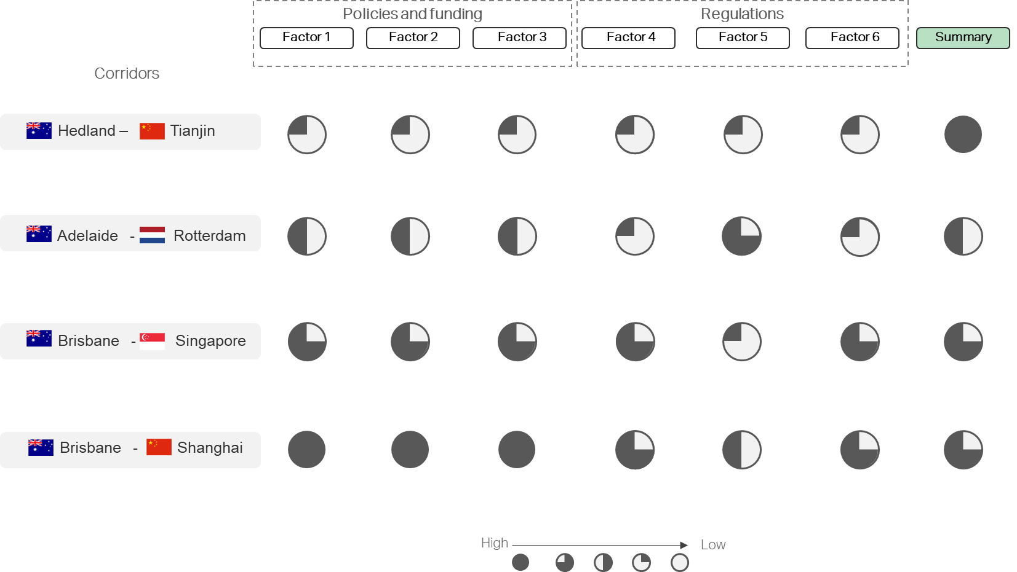
 |  |  |  |  |  |  |  | Port 3
 |  |  |  |  |  |  |  | Port 4
 |  |  |  |  |  |  |  | Port 5
 |  |  |  |  |  |  |  | Port 6
 |  |  |  |  |  |  |  | Port 7

 | Pre-filled example below |  |  |  |  |  |  | Pre-filled example below

 | Type of regulation | Regulator | Main influence on stage of the value chain | Key statements | Discriminating factor for green corridors |  |  | Port | Discriminating factor for green corridor
 |  |  |  |  |  |  |  |  | Port ownership (0; 10) | Factor 2 (0; 10) | Factor 3 (0; 10)
 | Law | Chilean government |  | Public owned ports cannot operate terminals | Tab 5.1.2 |  |  | Punta Patache | 5
 |  |  |  |  |  |  |  | Huasco | 10
 |  |  |  |  |  |  |  | San Antonio | 7
 |  |  |  |  |  |  |  | Coronel | 10
 |  |  |  |  |  |  |  | Port 5
 |  |  |  |  |  |  |  | Port 6
 |  |  |  |  |  |  |  | Port 7

 | Data source | Chilean Green Corridor Network |  |  |  |  |  | Data source | Chilean Green Corridor Network

 | Assessment insides – Table 5.2.1: Regulatory Involvement Level 2 – Region Landscape - Qualitative |  |  |  |  |  |  | Assessment insides – Table 5.2.2: Regulatory Involvement Level 2 – Region Landscape - Quantitative

 | Type of regulation | Regulator | Main influence on stage of the value chain | Key statements | Discriminating factor for green corridor | Key statements (region specific examples) |  | Region | Discriminating factor for green corridor |  |  |  | Identify policy, regulatory and funding discriminating factors that may appear in your defined region. That will allow selecting one green corridor in comparison to another one.
 |  |  |  |  |  |  |  |  | Factor 1 (0; 10) | Factor 2 (0; 10) | Factor 3 (0; 10) |  | Describe the factor in the qualitative data table and rank it respectively in the quantitative table afterwards.
 | Law |  |  |  | Tab 5.2.2 | Social / ecological incentives in specific region |  | Region 1 |  |  |  |  | Important to know: these are only some of many possible examples – adjust the table with respective factors.
 | Guidance |  |  |  |  | Similar incentives in same region |  | Region 2
 |  |  |  |  |  | Supporting development in infrastructure |  | Region 3
 |  |  |  |  |  |  |  | Region 4
 |  |  |  |  |  |  |  | Region 5
 |  |  |  |  |  |  |  | Region 6
 |  |  |  |  |  |  |  | Region 7

 | Pre-filled example below |  |  |  |  |  |  | Pre-filled example below

 | Type of regulation | Regulator | Main influence on stage of the value chain | Key statements | Discriminating factor for green corridor |  |  | Region | Discriminating factor for green corridor
 |  |  |  |  |  |  |  |  | Economic incentives (0; 10) | Development poles (0; 10) | Factor 3 (0; 10)
 | Law | Chilean government |  | Development poles to improve grid connection | Tab 5.2.2_column “Development poles” |  |  | Antofagasta | 0 | 10
 | Law | Chilean Ministry of Finance |  | Ley No 20.655: Special incentives for extreme zones | Tab 5.2.2_column “Economic incentives” |  |  | Santiago Metropolitan | 0 | 10
 | Law | Chilean Ministry of Finance (CORFO) |  | Ley N° 17.989: Fund for the Promotion and Development of Remote Areas | Tab 5.2.2_column “Economic incentives” |  |  | Bio-Bio | 0 | 8
 |  |  |  |  |  |  |  | Magallanes | 8 | 0
 |  |  |  |  |  |  |  | Region 5
 |  |  |  |  |  |  |  | Region 6
 |  |  |  |  |  |  |  | Region 7

 | Data source | Chilean Green Corridor Network | https://energia.gob.cl/sites/default/files/documentos/pelp2023-2027_informe_preliminar.pdf |  |  |  |  | Data source | Chilean Green Corridor Network |  | https://energia.gob.cl/sites/default/files/documentos/pelp2023-2027_informe_preliminar.pdf

 | Assessment insides – Table 5.3.1: Regulatory Involvement Level 3 – Country Landscape - Qualitative |  |  |  |  |  |  | Assessment insides – Table 5.3.2: Regulatory Involvement Level 3 – Country Landscape - Quantitative
 |  |  |  |  |  | Key statements (country specific examples)
 | Type of regulation | Regulator | Main influence on stage of the value chain | Key statements | Discriminating factor for green corridor |  |  | Country | Discriminating factor for green corridor |  |  |  | Identify policy, regulatory and funding discriminating factors that may appear in your defined region. That will allow selecting one green corridor in comparison to another one.
 |  |  |  |  |  |  |  |  | Factor 1 (0; 10) | Factor 2 (0; 10) | Factor 3 (0; 10) |  | Describe the factor in the qualitative data table and rank it respectively in the quantitative table afterwards.
 | Law |  |  |  | Tab. 5.3.2 | Limits funding to specific fuels |  | Country 1 |  |  |  |  | Important to know: these are only some of many possible examples – adjust the table with respective factors.
 | Guidance |  |  |  |  | Supporting development in infrastructure |  | Country 2
 |  |  |  |  |  | Ramp-up speed renewable energies |  | Country 3
 |  |  |  |  |  | Climate targets / ambitions |  | Country 4
 |  |  |  |  |  |  |  | Country 5
 |  |  |  |  |  |  |  | Country 6
 |  |  |  |  |  |  |  | Country 7

 | Pre-filled example below |  |  |  |  |  |  | Pre-filled example below

 | Type of regulation | Regulator | Main influence on stage of the value chain | Key statements | Discriminating factor for green corridor |  |  | Country | Discriminating factor for green corridor
 |  |  |  |  |  |  |  |  | Ammonia handling (0; 10) | Electricity price (0; 10) | Fuel storage (0; 10) | Emission restrictions (0; 10)
 | Rule | tbd |  | Methane fugitive emissions and methane slip | Tab. 5.3.2_column “Emission restrictions” |  |  | Germany | 4 | 2 | 8 | 2
 | Rule | Local authorities / ports |  | Bunkering alternative fuels and operating vessels on alternative fuels in ports | Tab 5.3.2_column “Fuel storage” |  |  | The Netherlands | 6 | 6 | 8 | 2
 | Price | Market |  | Tariffs on electricity are under revision | Tab 5.3.2_column “Electricity price” |  |  | Denmark | 4 | 6 | 4 | 2
 | Rule | tbd |  | No standards for ammonia as alternative fuel | Tab 5.3.2_column “Ammonia handling” |  |  | Poland | 2 | 4 | 2 | 6
 |  |  |  |  |  |  |  | Estonia | 2 | 4 | 2 | 6
 |  |  |  |  |  |  |  | Country 6
 |  |  |  |  |  |  |  | Country 7

 | Data source | Northern European Green Corridor Network |  |  |  |  |  | Data source | Northern European Green Corridor Network

 | Assessment insides – Table 5.4.1: Regulatory Involvement Level 4 – Sub-Continent Landscape - Qualitative |  |  |  |  |  |  | Assessment insides – Table 5.4.2: Regulatory Involvement Level 4 – Sub-Continent Landscape - Quantitative

 | Type of regulation | Regulator | Main influence on stage of the value chain | Key statements | Discriminating factor for green corridor | Key statements (sub-continent specific examples) |  | Sub-Continent | Discriminating factor for green corridor |  |  |  | Identify policy, regulatory and funding discriminating factors that may appear in your defined region. That will allow selecting one green corridor in comparison to another one.
 |  |  |  |  |  |  |  |  | Factor 1 (0; 10) | Factor 2 (0; 10) | Factor 3 (0; 10) |  | Describe the factor in the qualitative data table and rank it respectively in the quantitative table afterwards.
 | Law |  |  |  | Tab. 5.4.2 | Limits funding to specific fuels |  | Sub-Continent 1 |  |  |  |  | Important to know: these are only some of many possible examples – adjust the table with respective factors.
 | Guidance |  |  |  |  | Supporting development in infrastructure |  | Sub-Continent 2
 |  |  |  |  |  | Ramp-up speed renewable energies |  | Sub-Continent 3
 |  |  |  |  |  | Climate targets / ambitions |  | Sub-Continent 4
 |  |  |  |  |  |  |  | Sub-Continent 5
 |  |  |  |  |  |  |  | Sub-Continent 6
 |  |  |  |  |  |  |  | Sub-Continent 7

 | Pre-filled example below |  |  |  |  |  |  | Pre-filled example below

 | Type of regulation | Regulator | Main influence on stage of the value chain | Key statements | Discriminating factor for green corridor |  |  | Sub-Continent | Discriminating factor for green corridor
 |  |  |  |  |  |  |  |  | Carbon taxes (0; 10) | Factor 2 (0; 10) | Factor 3 (0; 10)
 | Law | European governments |  | EU ETS; Country specific carbon taxes | Tab. 5.4.2 |  |  | Northern Europe | 6
 |  |  |  |  |  |  |  | Southern Europe | 2
 |  |  |  |  |  |  |  | Eastern Europe | 1
 |  |  |  |  |  |  |  | Western Europe | 4
 |  |  |  |  |  |  |  | Sub-Continent 5
 |  |  |  |  |  |  |  | Sub-Continent 6
 |  |  |  |  |  |  |  | Sub-Continent 7

 | Data source | Carbon Tax: “laboratory” Europe shows U.S. it has no effect on aggregate jobs, growth - Energy Post |  |  |  |  |  | Data source | Carbon Tax: “laboratory” Europe shows U.S. it has no effect on aggregate jobs, growth - Energy Post

